Shriram Aggressive Hybrid Fund
As on 31-July-2026

Shriram Aggressive Hybrid Fund

 |  |  | Scheme Riskometer |  |  | Benchmark Riskometer

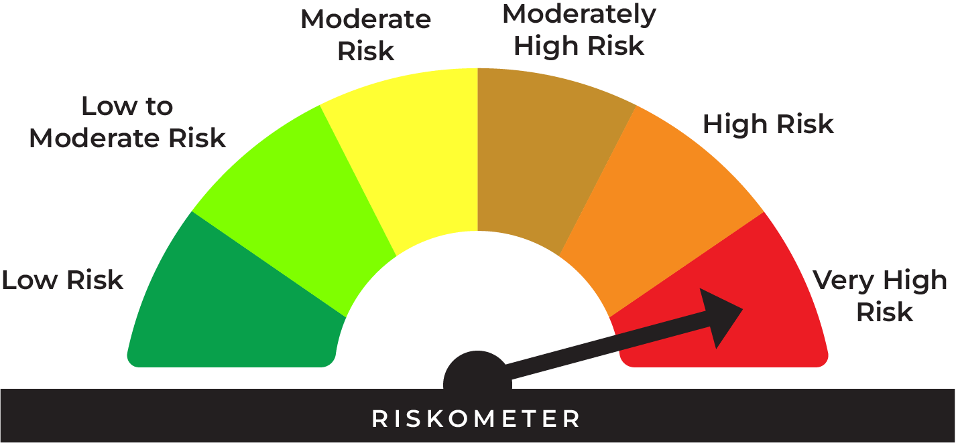
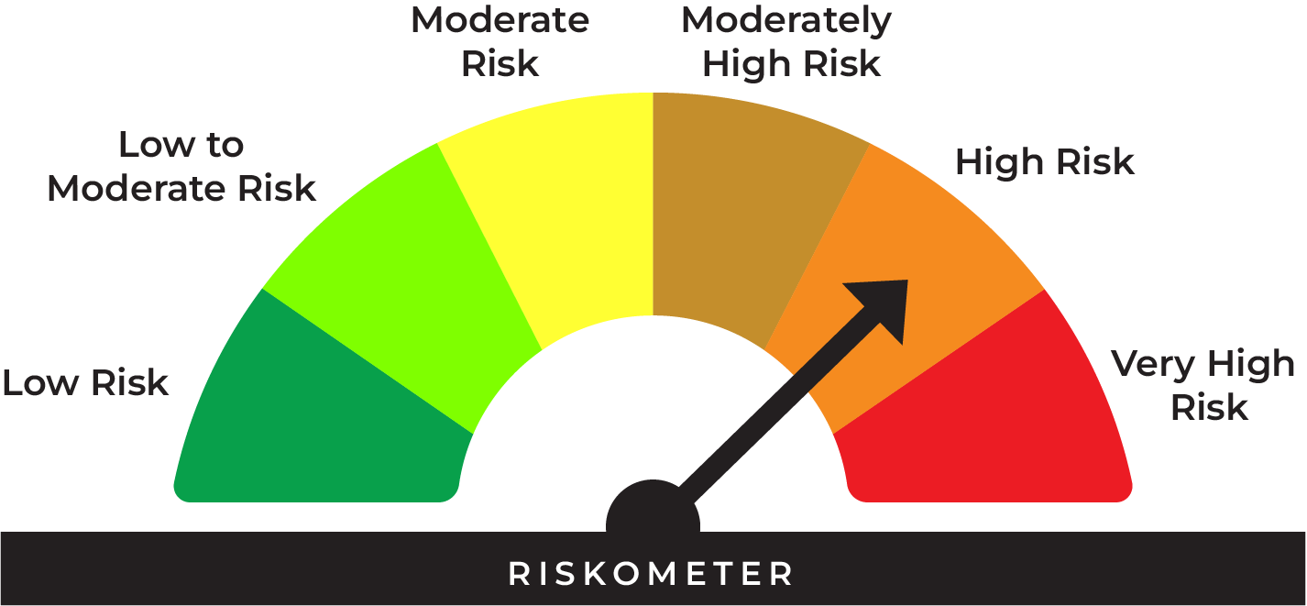
This product is suitable for investors who are seeking*:
• Long term capital appreciation and current income
• Investment in equity and equity related securities as well as fixed income securities (debt and money market securities)
• Very High Risk

*Investors should consult their financial advisers if in doubt about whether the product is suitable for them.
 |  |  | Investors understand that their principal will be at very high risk |  |  | Benchmark riskometer is at high risk
 |  |  |  |  |  | As per AMFI Tier I Benchmark i.e CRISIL Hybrid 35+65 - Aggressive Index

Type | Aggressive Hybrid Fund (An open ended hybrid scheme investing predominantly in equity and equity related instruments)

Benchmark | CRISIL Hybrid 35+65 – Aggressive Index

Investment Objective | The investment objective of the Scheme would be to generate long term Capital appreciation and current income with reduced volatility by investing in a judicious mix of a diversified portfolio of equity and equity related investments, debt and money market instruments

Asset Allocation |  | Indicative Allocation
 |  | Minimum | Maximum | Risk Profile
 | Equity, Equity related instruments and Derivatives | 65% | 80% | Very High
 | Debt instruments (including fixed/ floating rate debt instruments) and Money Market instruments | 20% | 35% | Low to Moderate

Base Expense Ratio (Incuding GST) | https://www.shriramamc.in/investor-total-expense-ratio

Load | Entry Load: Nil Exit Load : If redeemed / switched-out within 90 days from the date of allotment: • Upto 12% of units: Nil • More than 12% of units: 1% of applicable Net Asset Value (NAV) If redeemed/switched-out after 90 days from the date of allotment: Nil

Minimum Investment | Lump sum Investment: Minimum Additional Purchase Amount/ Switch-in Amount: Rs. 500/- and in multiples of Re. 1/-thereafter. SIP Installment: The facility can be exercised on: Weekly/Fortnightly/Monthly/Quarterly: Any date of every month (between 1st & 28th) i) Rs. 500/- and in multiples of Re. 1/-thereafter for minimum 24 installments ii) Rs. 1000/-and in multiples of Re. 1/-thereafter for minimum 12 installments

AUM As on 31-July-2026 | 51.13 Crores

NAV As on 31-July-2026 | Shriram Aggressive Hybrid Fund- Direct Growth | 37.4694
 | Shriram Aggressive Hybrid Fund- Direct- IDCW* | 29.5164
 | Shriram Aggressive Hybrid Fund- Regular Growth | 32.1737
 | Shriram Aggressive Hybrid Fund- Regular-IDCW* | 25.7251
 | * Income Distribution cum Capital Withdrawal option

Past Performance: |  |  |  |  | Returns of Shriram Aggressive Hybrid Fund - Regular Growth Option as on July 31, 2026
 |  |  |  |  | Date of inception: 29-Nov-2013
 |  |  |  |  |  |  |  |  | NAV as on July 31, 2026 Rs. 32.1737
 |  |  | NAV (Rs.) | Scheme | Scheme Benchmark | Additional |  | Value of Investment of Rs. 10000 (In Rs.)
 | Date | Period | Per Unit | Returns (%) | Returns (%) | Benchmark (NIFTY50 TRI) Returns (%) | Scheme | Scheme Benchmark | Additional Benchmark (NIFTY50 TRI)
 | 2025-07-31 | Last 1 Year | 31.2992 | 2.79 | 3.46 | -0.43 | 10,279 | 10,346 | 9,957
 | 2023-07-31 | Last 3 Year | 25.0424 | 8.70 | 10.07 | 8.56 | 12,848 | 13,341 | 12,798
 | 2021-07-31 | Last 5 Year | 21.5215 | 8.37 | 10.15 | 10.40 | 14,950 | 16,221 | 16,405
 | 2016-07-31 | Last 10 Year | 13.7569 | 8.86 | 11.49 | 12.28 | 23,387 | 29,693 | 31,857
 | 2013-11-29 | Since Inception | 10.0000 | 9.66 | 12.43 | 12.80 | 32,174 | 44,146 | 46,048

 |  |  |  |  | Returns of Shriram Aggressive Hybrid Fund - Direct Growth Option as on July 31, 2026
 |  |  |  |  | Date of inception: 29-Nov-2013
 |  |  |  |  |  |  |  |  | NAV as on July 31, 2026 Rs. 37.4694
 |  |  | NAV (Rs.) | Scheme | Scheme Benchmark | Additional |  | Value of Investment of Rs. 10000 (In Rs.)
 | Date | Period | Per Unit | Returns (%) | Returns (%) | Benchmark (NIFTY50 TRI) Returns (%) | Scheme | Scheme Benchmark | Additional Benchmark (NIFTY50 TRI)
 | 2025-07-31 | Last 1 Year | 35.8323 | 4.57 | 3.46 | -0.43 | 10,457 | 10,346 | 9,957
 | 2023-07-31 | Last 3 Year | 27.7461 | 10.52 | 10.07 | 8.56 | 13,504 | 13,341 | 12,798
 | 2021-07-31 | Last 5 Year | 23.1242 | 10.13 | 10.15 | 10.40 | 16,204 | 16,221 | 16,405
 | 2016-07-31 | Last 10 Year | 13.9684 | 10.36 | 11.49 | 12.28 | 26,824 | 29,693 | 31,857
 | 2013-11-29 | Since Inception | 10.0000 | 10.98 | 12.43 | 12.80 | 37,469 | 44,146 | 46,048
 |  |  |  |  |  |  |  |  | End_Return

 | CRISIL Hybrid 35+65 – Aggressive Index is the scheme benchmark. As per Clause 13.3.4 of SEBI Master Circular for Mutual Funds dated June 27, 2024 the performance of the scheme is benchmarked to the Total Return variant of the Index. The returns are Compounded Annual Growth Returns (CAGR) for the past 1 year, 3 years, 5 years, 10 years & since inception and absolute return for less than 1 year. Different plans shall have a different expense structure. The performance details provided herein are of Regular Plan-Growth Option & Direct Plan-Growth Option. Performance of Income Distribution cum Capital Withdrawal (IDCW) option would be Net of Dividend distribution tax, if any. For computation of return since inception (%) the allotment NAV has been taken as Rs. 10.00. Point-to-point returns is calculated on a standard investment of Rs. 10,000. Past performance may or may not be sustained in future. Load is not considered for computation of returns. In case, the start/end date of the concerned period is a non business date (NBD), the NAV of the previous date is considered for computation of returns. The NAV per unit shown in the table is as on the start date of the said period. The scheme is currently managed by Mr. Hitesh Savanth (Since June 24, 2026), Mr. Prateek Nigudkar (Since August 7, 2025), Mr. Amit Modani (Since November 01, 2025) and Mr. Sudip More (Since October 3, 2024)

Fund Manager | The scheme is currently managed by Mr. Hitesh Savanth (Since June 24, 2026), Mr. Prateek Nigudkar (Since August 7, 2025), Mr. Amit Modani (Since November 01, 2025) and Mr. Sudip More (Since October 3, 2024).

Portfolio | Name of Security | % to Net Assets | % Yield
* | HDFC Bank Ltd. | 4.38
* | ICICI Bank Ltd. | 4.13
* | Reliance Industries Ltd. | 3.61
* | Axis Bank Ltd. | 3.59
* | Bharti Airtel Ltd. | 3.37
* | Mahindra & Mahindra Ltd. | 2.55
 | State Bank of India | 2.40
 | ITC Ltd. | 1.93
 | Sun Pharmaceutical Industries Ltd. | 1.90
 | Larsen & Toubro Ltd. | 1.59
 | Bajaj Holdings & Investment Ltd. | 1.55
 | Tata Consultancy Services Ltd. | 1.44
 | SBI Life Insurance Company Ltd. | 1.38
 | Coforge Ltd. | 1.33
 | NTPC Ltd. | 1.27
 | Eternal Ltd. | 1.26
 | Infosys Ltd. | 1.22
 | InterGlobe Aviation Ltd. | 1.16
 | TVS Motor Company Ltd. | 1.16
 | Hindalco Industries Ltd. | 1.14
 | VARUN BEVERAGES LIMITED | 1.11
 | Maruti Suzuki India Ltd. | 1.00
 | Rainbow Children's Medicare Ltd. | 0.95
 | Eicher Motors Ltd. | 0.93
 | Marico Ltd. | 0.91
 | Kotak Mahindra Bank Ltd. | 0.87
 | Cipla Ltd. | 0.87
 | Oil India Ltd. | 0.84
 | Mold-Tek Packaging Ltd. | 0.80
 | HCL Technologies Ltd. | 0.79
 | REC Ltd. | 0.79
 | R R Kabel Ltd. | 0.78
 | Bharat Electronics Ltd. | 0.78
 | Ambuja Cements Ltd. | 0.77
 | Canara Robeco Asset Mgmt Co Ltd. | 0.76
 | Samhi Hotels Ltd. | 0.71
 | Aurobindo Pharma Ltd. | 0.69
 | Kalpataru Projects International Ltd. | 0.69
 | Lloyds Metals And Energy Ltd. | 0.65
 | Adani Ports & Special Economic Zone Ltd. | 0.65
 | Ajanta Pharma Ltd. | 0.63
 | Power Grid Corporation of India Ltd. | 0.62
 | Kirloskar Oil Engines Ltd. | 0.62
 | Sapphire Foods India Ltd. | 0.60
 | PNB Housing Finance Ltd. | 0.59
 | Oil & Natural Gas Corporation Ltd. | 0.57
 | Dodla Dairy Ltd. | 0.56
 | Siemens Ltd. | 0.54
 | Pricol Ltd. | 0.52
 | Tata Steel Ltd. | 0.52
 | NMDC Ltd. | 0.49
 | KFIN Technologies Ltd. | 0.46
 | Emami Ltd. | 0.45
 | GAIL (India) Ltd. | 0.44
 | LT Foods Ltd. | 0.41
 | Sagility Ltd. | 0.39
 | HDFC Life Insurance Company Ltd. | 0.35
 | Narayana Hrudayalaya ltd. | 0.34
 | Deepak Fertilizers & Petrochem Corp Ltd. | 0.34
 | TIPS Music Ltd. | 0.34
 | Sona BLW Precision Forgings Ltd. | 0.30
 | Swiggy Ltd. | 0.30
 | Premier Energies Ltd. | 0.30
 | Chambal Fertilizers & Chemicals Ltd. | 0.30
 | Bharat Petroleum Corporation Ltd. | 0.28
 | PB Fintech Ltd. | 0.28
 | CCL Products (India) Ltd. | 0.26
 | Cohance Lifesciences Ltd. | 0.24
 | Coromandel International Ltd. | 0.23
 | BSE Ltd. | 0.22
 | Fortis Healthcare Ltd. | 0.21
 | Coal India Ltd. | 0.20
 | Ethos Ltd. | 0.18
 | TD Power Systems Ltd. | 0.17
 | Power Mech Projects Ltd. | 0.16
 | Manappuram Finance Ltd. | 0.14
 | Krsnaa Diagnostics Ltd. | 0.10
 | SBI Funds Management Ltd. | 0.03
 | LG Electronics India Ltd. | 0.02
 | Total Equity and Equity related Portfolio | 72.40
* | 6.54% GOVT OF INDIA RED 17-01-2032 | 5.88 | 6.65
* | 8.54% REC LTD NCD RED 15-11-28 ** | 5.32 | 7.30
 | 6% TVS Motor Company Ltd.(Preference Share) ** | 0.02 | 16.89
* | BANK OF BARODA CD RED 04-02-2027 ** # | 4.72 | 6.90
 | Total Debt Portfolio | 15.94
* | TREPS_RED_03.08.2026 | 8.67
 | Net Current Assets | 2.99
 | Cash & Cash Equivalent | 11.66
 | Grand Total | 100.00

 | Derivative Portfolio

 | Index Option/ Stock Option
 | CALL TCS 25-Aug-2026 2600 | ^
 | CALL HCLTECH 25-Aug-2026 1440 | ^
 | CALL INFY 25-Aug-2026 1240 | ^
 | CALL SUNPHARMA 25-Aug-2026 2060 | ^
 | CALL INDIGO 25-Aug-2026 5400 | ^
 | Sub Total | -0.01

 | Total Derivative Portfolio to AUM | -0.01

 | Parameters of Debt Portfolio
 | Average Maturity* | 1.9 years
 | Modified Duration* | 1.61 years
 | Macaulay Duration* | 1.67 years
 | Yield to Maturity* | 6.31%
 | ~ Calculated on the amount invested in debt securities (including accrued interest), deployment of funds in TREPS

 | ** Non Traded Security
 | ^ Less than 0.01%
 | * Top Ten Holdings
 | # Unlisted Security
MUTUAL FUND INVESTMENTS ARE SUBJECT TO MARKET RISKS, READ ALL SCHEME RELATED DOCUMENTS CAREFULLY

Shriram Overnight Fund
As on 31-July-2026

Shriram Overnight Fund

 |  |  | Scheme Riskometer |  |  | Benchmark Riskometer

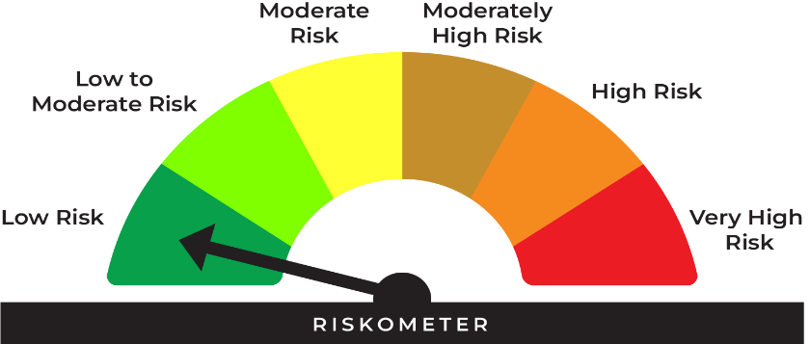
This product is suitable for investors who are seeking*:
• Returns commensurate with low risk and convenience of liquidity over short term
• Investment in debt and money market instruments with overnight maturity.
• Low Risk

* Investors should consult their financial advisers if in doubt about whether the product is suitable for them.

*Investors should consult their financial advisers if in doubt whether the product is suitable for them.

 |  |  | Investors understand that their principal will be at low risk |  |  | Benchmark riskometer is at low risk
 |  |  |  |  |  | As per AMFI Tier I Benchmark i.e CRISIL Liquid Overnight Index

 | Potential Risk Class (Maximum risk the Scheme can take)
 | Credit Risk | Relatively Low (Class A) | Moderate (Class B) | Relatively High (Class C)
 | Interest Rate Risk
 | Relatively Low (Class I) | A-I
 | Moderate (Class II)
 | Relatively High (Class III)
 | A-I - A Scheme with Relatively Low Interest Rate Risk and Relatively Low Credit Risk.

Type | An open ended debt scheme investing in overnight securities. A relatively low interest rate risk and relatively Low Credit Risk.

Benchmark | CRISIL Liquid Overnight Index

Investment Objective | The primary objective of the scheme is to generate returns commensurate with low risk and providing high level of liquidity, through investments made in debt and money market instruments with overnight maturity. However, there is no assurance or guarantee that the investment objective of the Scheme will be achieved. The Scheme does not assure or guarantee any returns.

Asset Allocation |  | Indicative Allocation
 |  | Minimum | Maximum | Risk Profile
 | Debt & Money Market Instruments* ^ ^^ $ with residual maturity not greater than 1 business day | 0% | 100% | Low
*instruments with residual maturity not greater than 1 business day, including money market instruments^, TREPS$ / reverse repo, debt instruments^^, including floating rate instruments, with overnight maturity. ^ Commercial papers, commercial bills, treasury bills, Government securities, call or notice money, certificate of deposit, usance bill and any other like instruments as specified by the Reserve Bank of India from time to time. ^^ Debt instruments would include all debt securities issued by entities such as banks, companies, public sector undertakings, municipal corporations, body corporates, central government securities, recapitalization bonds, municipal bonds and G-Sec repos and any other instruments as permitted by regulators from time to time. $ or similar instruments as may be permitted by RBI/SEBI.

Base Expense Ratio (Incuding GST) | https://www.shriramamc.in/investor-total-expense-ratio

Load | * Entry load: Not Applicable. * Exit Load: NIL

Minimum Investment | Lump sum Investment: Minimum Additional Purchase Amount/ Switch-in Amount: 500/- and in multiples of Re. 1/- thereafter. Minimum Subsequent purchases: Rs. 500/- and multiples of Re. 1/- thereafter Minimum amount per SIP Installment: The facility can be exercised on: Weekly / Fortnightly / Monthly / Quarterly: Any date of every month (between 1st & 28th) (In case, the date fixed happens to be a holiday /non-business day, the cheques shall be deposited / Auto Debit Facility will be affected on the next business day). (i) Rs. 500/- and in multiples of Re. 1/- thereafter for minimum 24 installments (ii) Rs. 1000/- and in multiples of Re. 1/- thereafter for minimum 12 installments
Maximum: | No Limit

AUM As on 31-July-2026 | 62.06 Crores

NAV As on 31-July-2026 | Shriram Overnight Fund - Direct Growth | 1265.2983
 | Shriram Overnight Fund - Direct Daily IDCW* | 1000.0193
 | Shriram Overnight Fund - Direct Monthly IDCW* | 1002.2809
 | Shriram Overnight Fund - Regular Growth | 1261.2473
 | Shriram Overnight Fund - Regular Daily IDCW* | 1000.0100
 | Shriram Overnight Fund - Regular Monthly IDCW* | 1002.2714
 | * Income Distribution cum Capital Withdrawal option
 | Face value of each unit changed from Rs. 10/- to Rs. 1,000/- with effect from 30-May-2026

Past Performance: |  |  |  |  | Returns of Shriram Overnight Fund - Regular Growth Option as on July 31, 2026
 |  |  |  |  | Date of inception: 26-Aug-2022
 |  |  |  |  |  |  |  |  | NAV as on July 31, 2026 Rs. 1261.2473
 |  |  | NAV (Rs.) | Scheme | Scheme Benchmark | Additional Benchmark |  | Value of Investment of Rs. 10000 (In Rs.)
 | Date | Period | Per Unit | Returns (%) | Returns (%) | Crisil 1 Yr T-Bill Index Returns (%) | Scheme | Scheme Benchmark | Additional Benchmark Crisil 1 Yr T-Bill Index
 | 2026-07-24 | Last 7 Days | 1260.0304 | 5.04 | 5.18 | 5.48 | 10,010 | 10,010 | 10,011
 | 2026-07-16 | Last 15 Days | 1258.6178 | 5.08 | 5.17 | 3.48 | 10,021 | 10,021 | 10,014
 | 2026-06-30 | Last 1 Month | 1255.8349 | 5.07 | 5.18 | 3.31 | 10,043 | 10,044 | 10,028
 | 2026-04-30 | Last 3 Months | 1245.1000 | 5.15 | 5.21 | 4.65 | 10,130 | 10,131 | 10,117
 | 2026-01-31 | Last 6 Months | 1230.1500 | 5.10 | 5.13 | 4.47 | 10,253 | 10,254 | 10,222
 | 2025-07-31 | Last 1 Year | 1198.3000 | 5.25 | 5.32 | 4.21 | 10,525 | 10,532 | 10,421
 | 2023-07-31 | Last 3 Year | 1058.7400 | 6.00 | 6.15 | 6.32 | 11,913 | 11,964 | 12,019
 | 2022-08-26 | Since Inception | 1000.0000 | 6.08 | 6.21 | 6.34 | 12,612 | 12,674 | 12,731

 |  |  |  |  | Returns of Shriram Overnight Fund - Direct Growth Option as on July 31, 2026
 |  |  |  |  | Date of inception: 26-Aug-2022
 |  |  |  |  |  |  |  |  | NAV as on July 31, 2026 Rs. 1265.2983
 |  |  | NAV (Rs.) | Scheme | Scheme Benchmark | Additional Benchmark |  | Value of Investment of Rs. 10000 (In Rs.)
 | Date | Period | Per Unit | Returns (%) | Returns (%) | Crisil 1 Yr T-Bill Index Returns (%) | Scheme | Scheme Benchmark | Additional Benchmark Crisil 1 Yr T-Bill Index
 | 2026-07-24 | Last 7 Days | 1264.0634 | 5.09 | 5.18 | 5.48 | 10,010 | 10,010 | 10,011
 | 2026-07-16 | Last 15 Days | 1262.6300 | 5.14 | 5.17 | 3.48 | 10,021 | 10,021 | 10,014
 | 2026-06-30 | Last 1 Month | 1259.8054 | 5.13 | 5.18 | 3.31 | 10,044 | 10,044 | 10,028
 | 2026-04-30 | Last 3 Months | 1248.9200 | 5.20 | 5.21 | 4.65 | 10,131 | 10,131 | 10,117
 | 2026-01-31 | Last 6 Months | 1233.6700 | 5.17 | 5.13 | 4.47 | 10,256 | 10,254 | 10,222
 | 2025-07-31 | Last 1 Year | 1201.4000 | 5.32 | 5.32 | 4.21 | 10,532 | 10,532 | 10,421
 | 2023-07-31 | Last 3 Year | 1059.7100 | 6.08 | 6.15 | 6.32 | 11,940 | 11,964 | 12,019
 | 2022-08-26 | Since Inception | 1000.0000 | 6.17 | 6.21 | 6.34 | 12,653 | 12,674 | 12,731
 |  |  |  |  |  |  |  |  | End_Return

 | CRISIL Liquid Overnight Index is the scheme benchmark. As per Clause 13.3.4 of SEBI Master Circular for Mutual Funds dated June 27, 2024 the performance of the scheme is benchmarked to the Total Return variant of the Index. The returns are Compounded Annual Growth Returns (CAGR) for the past 1 year, 3 Year & since inception and simple annualised returns for less than 1 year. Different plans shall have a different expense structure. The performance details provided herein are of Regular Plan-Growth Option & Direct Plan-Growth Option. Performance of Income Distribution cum Capital Withdrawal (IDCW) option would be Net of Dividend distribution tax, if any. For computation of return since inception (%) the allotment NAV has been taken as Rs. 1000.00 (Adjusted NAV). Point-to-point returns is calculated on a standard investment of Rs. 10,000. Past performance may or may not be sustained in future. Load is not considered for computation of returns. In case, the start/end date of the concerned period is a non business date (NBD), the NAV of the previous date is considered for computation of returns. The NAV per unit shown in the table is as on the start date of the said period. The scheme is being currently managed by Mr. Amit Modani with effect from November 01, 2025 and Mr. Sudip More with effect from October 3, 2024

Fund Manager | The scheme is being currently managed by Mr. Amit Modani with effect from November 01, 2025 and Mr. Sudip More with effect from October 3, 2024

Portfolio | Name of Instrument | Industry/Rating | % to Net Assets | % Yield

 | Reverse Repo
* | REPO ISSUE DATE 31.07.2026 5.35% |  | 99.28 | 5.35
 | Sub Total |  | 99.28

 | TOTAL |  | 99.28

 | Net Receivables / (Payables) |  | 0.72

 | GRAND TOTAL |  | 100.00
* | Top Ten Holdings

 | Average Maturity | 3 days
 | Modified Duration | 2.8 days
 | Macaulay Duration | 3 days
 | Yield to Maturity | 5.35%

MUTUAL FUND INVESTMENTS ARE SUBJECT TO MARKET RISKS, READ ALL SCHEME RELATED DOCUMENTS CAREFULLY

Shriram Liquid Fund
As on 31-July-2026

Shriram Liquid Fund

 |  |  | Scheme Riskometer |  |  | Benchmark Riskometer
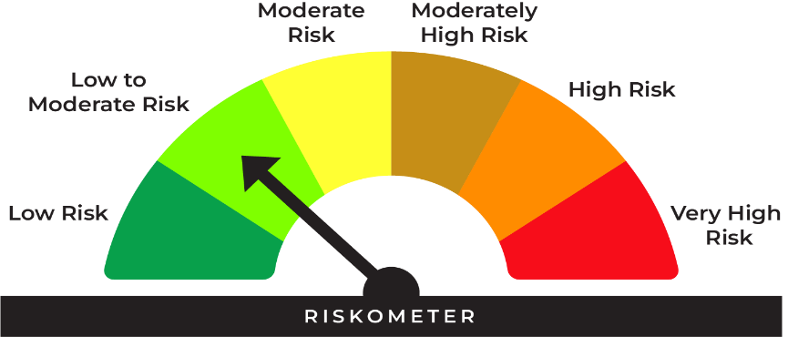
This product is suitable for investors* who are seeking:
• A stable, liquid alternative to traditional savings accounts
• Safety and liquidity for shortterm funds

*Investors should consult their financial advisers if in doubt whether the product is suitable for them.

 |  |  | Investors understand that their principal will be at low to moderate risk |  |  | Benchmark riskometer is at low to moderate risk
 |  |  |  |  |  | As per AMFI Tier I Benchmark i.e Nifty Liquid Index A-I

 | Potential Risk Class (Maximum risk the Scheme can take)
 | Credit Risk | Relatively Low | Moderate | Relatively High
 | Interest Rate Risk | (Class A) | (Class B) | (Class C)
 | Relatively Low (Class I) |  | B-I
 | Moderate (Class II)
 | Relatively High (Class III)
 | B-I - A Scheme with Relatively Low Interest Rate Risk and Relatively Moderate Credit Risk.

Type | An open ended Liquid scheme. A relatively low interest rate risk and moderate credit risk.

Benchmark | Nifty Liquid Index A-I

Investment Objective | The investment objective of the Scheme is to generate optimal returns consistent with lower to moderate levels of risk and high liquidity by investing in debt and money market instruments. The fund maintains an average maturity in the range of <91 days. There is no assurance that the investment objective of the Scheme will be achieved.

Asset Allocation |  | Indicative Allocation
 |  | Minimum | Maximum | Risk Profile
 | Debt and money market instruments (with maturity up to 91 days) | 0% | 100% | Low to Moderate

Base Expense Ratio (Incuding GST) | https://www.shriramamc.in/investor-total-expense-ratio

Load
Entry load: | Not Applicable.
Exit Load: | Investor exit upon Subscription Exit load as a % of redemption proceeds
 | Day 1 | 0.0070%
 | Day 2 | 0.0065%
 | Day 3 | 0.0060%
 | Day 4 | 0.0055%
 | Day 5 | 0.0050%
 | Day 6 | 0.0045%
 | Day 7 onwards | Nil

Minimum Investment | Lump sum Investment: Minimum Additional Purchase Amount/ Switch-in Amount: 1000/- and in multiples of Re. 1 /-thereafter

AUM As on 31-July-2026 | 204.93 Crores

NAV As on 31-July-2026 | Shriram Liquid Fund - Direct Growth | 1113.4151
 | Shriram Liquid Fund - Regular Growth | 1110.7350

Past Performance: |  |  |  |  | Returns of Shriram Liquid Fund - Regular Growth Option as on July 31, 2026
 |  |  |  |  | Date of inception: 14-Nov-2024
 |  |  |  |  |  |  |  |  | NAV as on July 31, 2026 Rs. 1110.735
 |  |  | NAV (Rs.) | Scheme | Scheme Benchmark | Additional Benchmark |  | Value of Investment of Rs. 10000 (In Rs.)
 | Date | Period | Per Unit | Returns (%) | Returns (%) | Crisil 1 Yr T-Bill Index Returns (%) | Scheme | Scheme Benchmark | Additional Benchmark Crisil 1 Yr T-Bill Index
 | 2026-07-24 | Last 7 Days | 1109.4808 | 5.89 | 5.90 | 5.48 | 10,011 | 10,011 | 10,011
 | 2026-07-16 | Last 15 Days | 1107.9259 | 6.17 | 6.18 | 3.48 | 10,025 | 10,025 | 10,014
 | 2026-06-30 | Last 1 Month | 1105.2613 | 5.83 | 5.93 | 3.31 | 10,050 | 10,050 | 10,028
 | 2026-04-30 | Last 3 Months | 1093.1538 | 6.38 | 6.71 | 4.65 | 10,161 | 10,169 | 10,117
 | 2026-01-31 | Last 6 Months | 1075.9151 | 6.53 | 6.80 | 4.47 | 10,324 | 10,337 | 10,222
 | 2025-07-31 | Last 1 Year | 1046.9415 | 6.09 | 6.32 | 4.21 | 10,609 | 10,632 | 10,421
 | NA | Last 3 Year | NA | NA | NA | NA | NA | NA | NA
 | 2024-11-14 | Since Inception | 1000.0000 | 6.34 | 6.59 | 5.54 | 11,107 | 11,154 | 10,966

 |  |  |  |  | Returns of Shriram Liquid Fund - Direct Growth Option as on July 31, 2026
 |  |  |  |  | Date of inception: 14-Nov-2024
 |  |  |  |  |  |  |  |  | NAV as on July 31, 2026 Rs. 1113.4151
 |  |  | NAV (Rs.) | Scheme | Scheme Benchmark | Additional Benchmark |  | Value of Investment of Rs. 10000 (In Rs.)
 | Date | Period | Per Unit | Returns (%) | Returns (%) | Crisil 1 Yr T-Bill Index Returns (%) | Scheme | Scheme Benchmark | Additional Benchmark Crisil 1 Yr T-Bill Index
 | 2026-07-24 | Last 7 Days | 1112.1302 | 6.02 | 5.90 | 5.48 | 10,012 | 10,011 | 10,011
 | 2026-07-16 | Last 15 Days | 1110.5400 | 6.30 | 6.18 | 3.48 | 10,026 | 10,025 | 10,014
 | 2026-06-30 | Last 1 Month | 1107.7962 | 5.97 | 5.93 | 3.31 | 10,051 | 10,050 | 10,028
 | 2026-04-30 | Last 3 Months | 1095.3679 | 6.54 | 6.71 | 4.65 | 10,165 | 10,169 | 10,117
 | 2026-01-31 | Last 6 Months | 1077.7816 | 6.67 | 6.80 | 4.47 | 10,331 | 10,337 | 10,222
 | 2025-07-31 | Last 1 Year | 1048.0168 | 6.24 | 6.32 | 4.21 | 10,624 | 10,632 | 10,421
 | NA | Last 3 Year | NA | NA | NA | NA | NA | NA | NA
 | NA | Last 5 Year | NA | NA | NA | NA | NA | NA | NA
 | NA | Last 10 Year | NA | NA | NA | NA | NA | NA | NA
 | 2024-11-14 | Since Inception | 1000.0000 | 6.49 | 6.59 | 5.54 | 11,134 | 11,154 | 10,966
 |  |  |  |  |  |  |  |  | End_Return

 | Past performance may or may not be sustained in future. The performance of the scheme is benchmarked to the Nifty Liquid Index A-I. The returns are Compounded Annual Growth Returns (CAGR) for the past 1 year & since inception and simple annualised returns for less than 1 year. Different plans shall have a different expense structure. The performance details provided herein are of Regular Plan-Growth Option & Direct Plan-Growth Option. For computation of return since inception (%) the allotment NAV has been taken as Rs. 10.00. Point-to-point returns is calculated on a standard investment of Rs. 10,000. Load is not considered for computation of returns. In case, the start/end date of the concerned period is a Non-Business Date (NBD), the NAV of the previous date is considered for computation of returns. The NAV per unit shown in the table is as on the start date of the said period. The scheme is being currently managed by Mr. Amit Modani with effect from November 01, 2025 and Mr. Sudip More with effect from November 04, 2024

Fund Manager | The scheme is being currently managed by Mr. Amit Modani with effect from November 01, 2025 and Mr. Sudip More with effect from November 04, 2024

Portfolio | Name of Instrument | Industry/Rating | % to Net Assets | % Yield

 | Money Market Instruments

 | Certificate of Deposit
* | BANK OF BARODA CD RED 24-08-2026 # | ICRA A1+ | 7.29 | 6.30
* | AXIS BANK LTD CD RED 25-08-2026 ** # | CRISIL A1+ | 7.29 | 6.35
* | PUNJAB NATIONAL BK CD 01-09-2026 ** # | CRISIL A1+ | 7.28 | 6.31
* | CANARA BANK CD RED 15-09-2026 ** # | CRISIL A1+ | 7.26 | 6.33
* | UNION BANK OF INDIA CD 22-09-26 ** # | ICRA A1+ | 7.25 | 6.43
 | Sub Total |  | 36.37

 | Commercial Paper
* | EXIM BANK CP RED 03-09-2026 ** | CRISIL A1+ | 11.16 | 6.40
* | NABARD CP RED 11-09-2026 | CRISIL A1+ | 7.27 | 6.43
* | SIDBI CP RED 21-09-2026 ** | CRISIL A1+ | 7.25 | 6.50
* | RELIANCE RETAIL VENTURES CP 23-09-2026 ** | CRISIL A1+ | 7.25 | 6.57
 | ICICI SECURITIES CP RED 21-08-2026 ** | CRISIL A1+ | 4.86 | 6.54
 | KOTAK SECURITIES LTD CP 17-09-26 ** | CRISIL A1+ | 4.84 | 6.88
 | HDFC SECURITIES LTD. CP RED 21-09-2026 ** | CRISIL A1+ | 4.83 | 6.88
 | Sub Total |  | 47.46

 | Treasury Bill
* | 91 DAYS TBILL RED 10-09-2026 | SOVEREIGN | 14.56 | 5.20
 | Sub Total |  | 14.56

 | TOTAL |  | 98.39

 | Mutual Fund Units
 | SBI CDMDF--A2 |  | 0.22

 | TOTAL |  | 0.22

 | Treps
 | TREPS_RED_03.08.2026 |  | 0.13 | 5.22
 | Sub Total |  | 0.13

 | TOTAL |  | 0.13

 | Reverse Repo
 | REPO ISSUE DATE 31.07.2026 5.35% |  | 0.68 | 5.35
 | REPO ISSUE DATE 31.07.2026 5.15% |  | 0.61 | 5.15
 | Sub Total |  | 1.29

 | TOTAL |  | 1.29

 | Net Receivables / (Payables) |  | (0.03)

 | GRAND TOTAL |  | 100.00
* | Top Ten Holdings

 | Portfolio Information
 | Residual Maturity (Average Maturity) | 39.5 days
 | Modified duration | 37.1 days
 | Macaulay Duration | 39.5 days
 | Annualised Portfolio YTM : | 6.26%

 | # Unlisted Security
 | ** Non Traded Security
MUTUAL FUND INVESTMENTS ARE SUBJECT TO MARKET RISKS, READ ALL SCHEME RELATED DOCUMENTS CAREFULLY

