Shriram Aggressive Hybrid Fund
As on 31-August-2026

Shriram Aggressive Hybrid Fund

 |  |  | Scheme Riskometer |  |  | Benchmark Riskometer

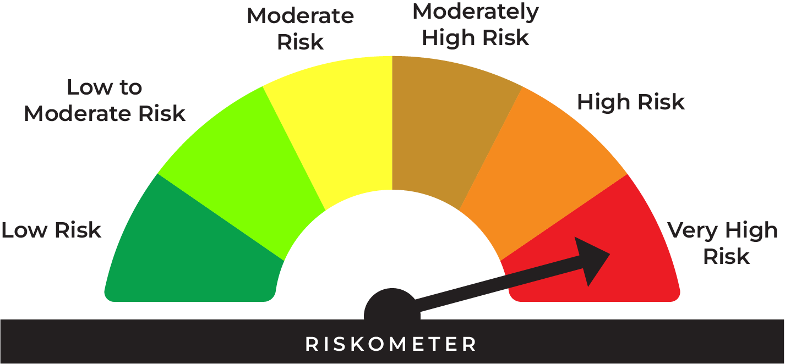
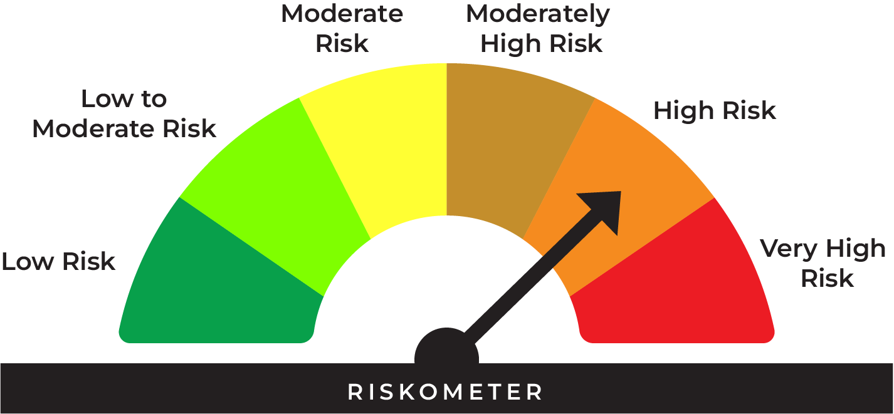
This product is suitable for investors who are seeking*:
• Long term capital appreciation and current income
• Investment in equity and equity related securities as well as fixed income securities (debt and money market securities)
• Very High Risk

*Investors should consult their financial advisers if in doubt about whether the product is suitable for them.
 |  |  | Investors understand that their principal will be at very high risk |  |  | Benchmark riskometer is at high risk
 |  |  |  |  |  | As per AMFI Tier I Benchmark i.e CRISIL Hybrid 35+65 - Aggressive Index

Type | Aggressive Hybrid Fund (An open ended hybrid scheme investing predominantly in equity and equity related instruments)

Benchmark | CRISIL Hybrid 35+65 – Aggressive Index

Investment Objective | The investment objective of the Scheme would be to generate long term Capital appreciation and current income with reduced volatility by investing in a judicious mix of a diversified portfolio of equity and equity related investments, debt and money market instruments

Asset Allocation |  | Minimum | Maximum
 | Equity and Equity Related Instruments and Derivatives | 65% | 80%
 | Debt instruments (incl. fixed/floating rate) and Money Market instruments | 20% | 35%
 | Units issued by InvITs / ETCDs / Units of Mutual Fund (including Gold ETF & Silver ETF)^ | 0% | 15%
^Any other such security as may be permitted by SEBI/ RBI from time to time.
The Scheme can also take derivative exposure up to 50% of the net assets of the Scheme, subject to the limits as specified by SEBI, from time to time.

Base Expense Ratio (Incuding GST) | https://www.shriramamc.in/investor-total-expense-ratio

Load | Entry Load: Nil Exit Load : If redeemed / switched-out within 90 days from the date of allotment: • Upto 12% of units: Nil • More than 12% of units: 1% of applicable Net Asset Value (NAV) If redeemed/switched-out after 90 days from the date of allotment: Nil

Minimum Investment | Lump sum Investment: Minimum Additional Purchase Amount/ Switch-in Amount: Rs. 500/- and in multiples of Re. 1/-thereafter. SIP Installment: The facility can be exercised on: Weekly/Fortnightly/Monthly/Quarterly: Any date of every month (between 1st & 28th) i) Rs. 500/- and in multiples of Re. 1/-thereafter for minimum 24 installments ii) Rs. 1000/-and in multiples of Re. 1/-thereafter for minimum 12 installments

AUM As on 31-August-2026 | 51.39 Crores

NAV As on 31-August-2026 | Shriram Aggressive Hybrid Fund- Direct Growth | 37.4777
 | Shriram Aggressive Hybrid Fund- Direct- IDCW* | 29.5229
 | Shriram Aggressive Hybrid Fund- Regular Growth | 32.1372
 | Shriram Aggressive Hybrid Fund- Regular-IDCW* | 25.6960
 | * Income Distribution cum Capital Withdrawal option

Past Performance: |  |  |  |  | Returns of Shriram Aggressive Hybrid Fund - Regular Growth Option as on August 31, 2026
 |  |  |  |  | Date of inception: 29-Nov-2013
 |  |  |  |  |  |  |  |  | NAV as on August 31, 2026 Rs. 32.1372
 |  |  | NAV (Rs.) | Scheme | Scheme Benchmark | Additional |  | Value of Investment of Rs. 10000 (In Rs.)
 | Date | Period | Per Unit | Returns (%) | Returns (%) | Benchmark (NIFTY50 TRI) Returns (%) | Scheme | Scheme Benchmark | Additional Benchmark (NIFTY50 TRI)
 | 2025-08-31 | Last 1 Year | 30.7454 | 4.53 | 4.32 | -0.35 | 10,453 | 10,432 | 9,965
 | 2023-08-31 | Last 3 Year | 24.8336 | 8.97 | 10.13 | 8.99 | 12,941 | 13,362 | 12,951
 | 2021-08-31 | Last 5 Year | 22.8298 | 7.07 | 8.95 | 8.32 | 14,077 | 15,356 | 14,915
 | 2016-08-31 | Last 10 Year | 14.1721 | 8.53 | 11.24 | 11.95 | 22,676 | 29,019 | 30,931
 | 2013-11-29 | Since Inception | 10.0000 | 9.58 | 12.30 | 12.61 | 32,137 | 43,942 | 45,523

 |  |  |  |  | Returns of Shriram Aggressive Hybrid Fund - Direct Growth Option as on August 31, 2026
 |  |  |  |  | Date of inception: 29-Nov-2013
 |  |  |  |  |  |  |  |  | NAV as on August 31, 2026 Rs. 37.4777
 |  |  | NAV (Rs.) | Scheme | Scheme Benchmark | Additional |  | Value of Investment of Rs. 10000 (In Rs.)
 | Date | Period | Per Unit | Returns (%) | Returns (%) | Benchmark (NIFTY50 TRI) Returns (%) | Scheme | Scheme Benchmark | Additional Benchmark (NIFTY50 TRI)
 | 2025-08-31 | Last 1 Year | 35.2442 | 6.34 | 4.32 | -0.35 | 10,634 | 10,432 | 9,965
 | 2023-08-31 | Last 3 Year | 27.5524 | 10.79 | 10.13 | 8.99 | 13,602 | 13,362 | 12,951
 | 2021-08-31 | Last 5 Year | 24.5625 | 8.81 | 8.95 | 8.32 | 15,258 | 15,356 | 14,915
 | 2016-08-31 | Last 10 Year | 14.3980 | 10.03 | 11.24 | 11.95 | 26,030 | 29,019 | 30,931
 | 2013-11-29 | Since Inception | 10.0000 | 10.91 | 12.30 | 12.61 | 37,478 | 43,942 | 45,523
 |  |  |  |  |  |  |  |  | End_Return

 | CRISIL Hybrid 35+65 – Aggressive Index is the scheme benchmark. As per Clause 13.3.4 of SEBI Master Circular for Mutual Funds dated June 27, 2024 the performance of the scheme is benchmarked to the Total Return variant of the Index. The returns are Compounded Annual Growth Returns (CAGR) for the past 1 year, 3 years, 5 years, 10 years & since inception and absolute return for less than 1 year. Different plans shall have a different expense structure. The performance details provided herein are of Regular Plan-Growth Option & Direct Plan-Growth Option. Performance of Income Distribution cum Capital Withdrawal (IDCW) option would be Net of Dividend distribution tax, if any. For computation of return since inception (%) the allotment NAV has been taken as Rs. 10.00. Point-to-point returns is calculated on a standard investment of Rs. 10,000. Past performance may or may not be sustained in future. Load is not considered for computation of returns. In case, the start/end date of the concerned period is a non business date (NBD), the NAV of the previous date is considered for computation of returns. The NAV per unit shown in the table is as on the start date of the said period. The scheme is currently managed by Mr. Hitesh Savanth (Since June 24, 2026), Mr. Prateek Nigudkar (Since August 7, 2025), Mr. Amit Modani (Since November 01, 2025) and Mr. Sudip More (Since October 3, 2024)

Fund Manager | The scheme is currently managed by Mr. Hitesh Savanth (Since June 24, 2026), Mr. Prateek Nigudkar (Since August 7, 2025), Mr. Amit Modani (Since November 01, 2025) and Mr. Sudip More (Since October 3, 2024).

Portfolio | Name of Security | % to Net Assets | % Yield
* | ICICI Bank Ltd. | 4.17
* | HDFC Bank Ltd. | 4.13
* | Axis Bank Ltd. | 3.78
* | Reliance Industries Ltd. | 3.50
* | Bharti Airtel Ltd. | 3.08
 | State Bank of India | 2.47
 | Mahindra & Mahindra Ltd. | 2.45
 | Sun Pharmaceutical Industries Ltd. | 1.88
 | ITC Ltd. | 1.75
 | Larsen & Toubro Ltd. | 1.62
 | Bajaj Holdings & Investment Ltd. | 1.59
 | Tata Consultancy Services Ltd. | 1.45
 | SBI Life Insurance Company Ltd. | 1.43
 | Coforge Ltd. | 1.38
 | Eternal Ltd. | 1.36
 | Infosys Ltd. | 1.22
 | NTPC Ltd. | 1.19
 | Hindalco Industries Ltd. | 1.18
 | InterGlobe Aviation Ltd. | 1.17
 | TVS Motor Company Ltd. | 1.16
 | VARUN BEVERAGES LIMITED | 1.00
 | Maruti Suzuki India Ltd. | 0.94
 | Eicher Motors Ltd. | 0.94
 | Kotak Mahindra Bank Ltd. | 0.93
 | Oil India Ltd. | 0.88
 | R R Kabel Ltd. | 0.87
 | Marico Ltd. | 0.85
 | Mold-Tek Packaging Ltd. | 0.83
 | Bharat Electronics Ltd. | 0.82
 | Cipla Ltd. | 0.82
 | Rainbow Children's Medicare Ltd. | 0.78
 | HCL Technologies Ltd. | 0.77
 | Sapphire Foods India Ltd. | 0.75
 | Canara Robeco Asset Mgmt Co Ltd. | 0.75
 | Aurobindo Pharma Ltd. | 0.75
 | Kalpataru Projects International Ltd. | 0.74
 | Samhi Hotels Ltd. | 0.74
 | Ambuja Cements Ltd. | 0.71
 | REC Ltd. | 0.68
 | Adani Ports & Special Economic Zone Ltd. | 0.65
 | Ajanta Pharma Ltd. | 0.60
 | Pricol Ltd. | 0.60
 | Kirloskar Oil Engines Ltd. | 0.59
 | Dodla Dairy Ltd. | 0.58
 | Power Grid Corporation of India Ltd. | 0.58
 | Lloyds Metals And Energy Ltd. | 0.57
 | Oil & Natural Gas Corporation Ltd. | 0.55
 | NMDC Ltd. | 0.51
 | Tata Steel Ltd. | 0.50
 | Siemens Ltd. | 0.50
 | KFIN Technologies Ltd. | 0.48
 | Premier Energies Ltd. | 0.45
 | LT Foods Ltd. | 0.45
 | GAIL (India) Ltd. | 0.43
 | Sagility Ltd. | 0.42
 | Deepak Fertilizers & Petrochem Corp Ltd. | 0.41
 | Emami Ltd. | 0.41
 | Bharat Petroleum Corporation Ltd. | 0.39
 | Metropolis Healthcare Ltd. | 0.37
 | HDFC Life Insurance Company Ltd. | 0.34
 | TIPS Music Ltd. | 0.33
 | PNB Housing Finance Ltd. | 0.33
 | PB Fintech Ltd. | 0.32
 | Narayana Hrudayalaya ltd. | 0.32
 | Swiggy Ltd. | 0.29
 | TD Power Systems Ltd. | 0.28
 | Chambal Fertilizers & Chemicals Ltd. | 0.28
 | Cohance Lifesciences Ltd. | 0.25
 | CCL Products (India) Ltd. | 0.24
 | Juniper Green Energy Ltd. | 0.24
 | Sona BLW Precision Forgings Ltd. | 0.22
 | Coromandel International Ltd. | 0.21
 | Fortis Healthcare Ltd. | 0.20
 | BSE Ltd. | 0.20
 | Coal India Ltd. | 0.20
 | Power Mech Projects Ltd. | 0.16
 | Krsnaa Diagnostics Ltd. | 0.10
 | SBI Funds Management Ltd. | 0.03
 | LG Electronics India Ltd. | 0.02
 | Total Equity and Equity related Portfolio | 72.11
* | 6.54% GOVT OF INDIA RED 17-01-2032 | 5.86 | 6.75
* | 8.54% REC LTD NCD RED 15-11-28 ** | 5.30 | 7.59
 | 6% TVS Motor Company Ltd.(Preference Share) ** | 0.02 | 14.34
* | BANK OF BARODA CD RED 12-02-27 ** # | 6.61 | 6.76
* | UNION BANK OF INDIA CD RED 22-02-2027 ** # | 5.65 | 6.76
 | UNION BANK OF INDIA CD R 04-09-26 ** # | 0.97 | 5.95
 | Total Debt Portfolio | 24.41
* | TREPS_RED_01.09.2026 | 2.92 | 5.05
 | Net Current Assets | 0.56
 | Cash & Cash Equivalent | 3.48
 | Grand Total | 100.00

 | Derivative Portfolio

 | Index Option/ Stock Option
 | CALL INDIGO 29-Sep-2026 5500 | ^
 | CALL ETERNAL 29-Sep-2026 350 | ^
 | Sub Total | ^

 | Total Derivative Portfolio to AUM | ^

 | Parameters of Debt Portfolio
 | Average Maturity* | 1.79 years
 | Modified Duration* | 1.52 years
 | Macaulay Duration* | 1.58 years
 | Yield to Maturity* | 6.69%
 | ~ Calculated on the amount invested in debt securities (including accrued interest), deployment of funds in TREPS

 | ** Non Traded Security
 | ^ Less than 0.01%
 | * Top Ten Holdings
 | # Unlisted Security
MUTUAL FUND INVESTMENTS ARE SUBJECT TO MARKET RISKS, READ ALL SCHEME RELATED DOCUMENTS CAREFULLY

Shriram Overnight Fund
As on 31-August-2026

Shriram Overnight Fund

 |  |  | Scheme Riskometer |  |  | Benchmark Riskometer

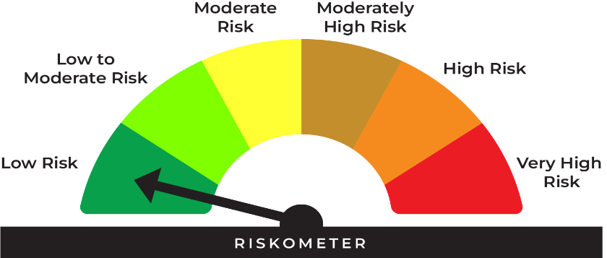
This product is suitable for investors who are seeking*:
• Returns commensurate with low risk and convenience of liquidity over short term
• Investment in debt and money market instruments with overnight maturity.
• Low Risk

* Investors should consult their financial advisers if in doubt about whether the product is suitable for them.

*Investors should consult their financial advisers if in doubt whether the product is suitable for them.

 |  |  | Investors understand that their principal will be at low risk |  |  | Benchmark riskometer is at low risk
 |  |  |  |  |  | As per AMFI Tier I Benchmark i.e CRISIL Liquid Overnight Index

 | Potential Risk Class (Maximum risk the Scheme can take)
 | Credit Risk | Relatively Low (Class A) | Moderate (Class B) | Relatively High (Class C)
 | Interest Rate Risk
 | Relatively Low (Class I) | A-I
 | Moderate (Class II)
 | Relatively High (Class III)
 | A-I - A Scheme with Relatively Low Interest Rate Risk and Relatively Low Credit Risk.

Type | An open ended debt scheme investing in overnight securities. A relatively low interest rate risk and relatively Low Credit Risk.

Benchmark | CRISIL Liquid Overnight Index

Investment Objective | The primary objective of the scheme is to generate returns commensurate with low risk and providing high level of liquidity, through investments made in debt and money market instruments with overnight maturity. However, there is no assurance or guarantee that the investment objective of the Scheme will be achieved. The Scheme does not assure or guarantee any returns.

Asset Allocation |  | Minimum | Maximum
 | Investment in overnight securities having maturity of 1 day | 0% | 100%
Instruments with residual maturity not greater than 1 day, including money market instruments, Tri-party Repo/reverse repo, debt instruments, including floating rate instruments. In accordance with Clause 3.8.2(1) of SEBI Master Circular for Mutual Funds dated March 20,2026, the Scheme may deploy, not exceeding 5% of the net assets of the Scheme in G-secs and/or T-bills with a residual maturity of upto 30 calendar days for the purpose of placing the same as margin and collateral for certain transactions.

Base Expense Ratio (Incuding GST) | https://www.shriramamc.in/investor-total-expense-ratio

Load | * Entry load: Not Applicable. * Exit Load: NIL

Minimum Investment | Lump sum Investment: Minimum Additional Purchase Amount/ Switch-in Amount: 500/- and in multiples of Re. 1/- thereafter. Minimum Subsequent purchases: Rs. 500/- and multiples of Re. 1/- thereafter Minimum amount per SIP Installment: The facility can be exercised on: Weekly / Fortnightly / Monthly / Quarterly: Any date of every month (between 1st & 28th) (In case, the date fixed happens to be a holiday /non-business day, the cheques shall be deposited / Auto Debit Facility will be affected on the next business day). (i) Rs. 500/- and in multiples of Re. 1/- thereafter for minimum 24 installments (ii) Rs. 1000/- and in multiples of Re. 1/- thereafter for minimum 12 installments
Maximum: | No Limit

AUM As on 31-August-2026 | 57.02 Crores

NAV As on 31-August-2026 | Shriram Overnight Fund - Direct Growth | 1270.6483
 | Shriram Overnight Fund - Direct Daily IDCW* | 1000.0189
 | Shriram Overnight Fund - Direct Monthly IDCW* | 1001.9088
 | Shriram Overnight Fund - Regular Growth | 1266.5166
 | Shriram Overnight Fund - Regular Daily IDCW* | 1000.0100
 | Shriram Overnight Fund - Regular Monthly IDCW* | 1001.9257
 | * Income Distribution cum Capital Withdrawal option
 | Face value of each unit changed from Rs. 10/- to Rs. 1,000/- with effect from 30-May-2026

Past Performance: |  |  |  |  | Returns of Shriram Overnight Fund - Regular Growth Option as on August 31, 2026
 |  |  |  |  | Date of inception: 26-Aug-2022
 |  |  |  |  |  |  |  |  | NAV as on August 31, 2026 Rs. 1266.5166
 |  |  | NAV (Rs.) | Scheme | Scheme Benchmark | Additional Benchmark |  | Value of Investment of Rs. 10000 (In Rs.)
 | Date | Period | Per Unit | Returns (%) | Returns (%) | Crisil 1 Yr T-Bill Index Returns (%) | Scheme | Scheme Benchmark | Additional Benchmark Crisil 1 Yr T-Bill Index
 | 2026-08-24 | Last 7 Days | 1265.3245 | 4.91 | 5.03 | 4.13 | 10,009 | 10,010 | 10,008
 | 2026-08-16 | Last 15 Days | 1263.9703 | 4.90 | 5.03 | 2.80 | 10,020 | 10,021 | 10,012
 | 2026-07-31 | Last 1 Month | 1261.2473 | 4.92 | 5.03 | 4.21 | 10,042 | 10,043 | 10,036
 | 2026-05-31 | Last 3 Months | 1250.4787 | 5.09 | 5.16 | 5.53 | 10,128 | 10,130 | 10,139
 | 2026-02-28 | Last 6 Months | 1234.6000 | 5.13 | 5.18 | 4.12 | 10,259 | 10,261 | 10,207
 | 2025-08-31 | Last 1 Year | 1203.6500 | 5.22 | 5.29 | 4.29 | 10,522 | 10,529 | 10,429
 | 2023-08-31 | Last 3 Year | 1064.5300 | 5.96 | 6.11 | 6.27 | 11,897 | 11,949 | 12,004
 | 2022-08-26 | Since Inception | 1000.0000 | 6.06 | 6.19 | 6.29 | 12,665 | 12,728 | 12,777

 |  |  |  |  | Returns of Shriram Overnight Fund - Direct Growth Option as on August 31, 2026
 |  |  |  |  | Date of inception: 26-Aug-2022
 |  |  |  |  |  |  |  |  | NAV as on August 31, 2026 Rs. 1270.6483
 |  |  | NAV (Rs.) | Scheme | Scheme Benchmark | Additional Benchmark |  | Value of Investment of Rs. 10000 (In Rs.)
 | Date | Period | Per Unit | Returns (%) | Returns (%) | Crisil 1 Yr T-Bill Index Returns (%) | Scheme | Scheme Benchmark | Additional Benchmark Crisil 1 Yr T-Bill Index
 | 2026-08-24 | Last 7 Days | 1269.4380 | 4.97 | 5.03 | 4.13 | 10,010 | 10,010 | 10,008
 | 2026-08-16 | Last 15 Days | 1268.0630 | 4.96 | 5.03 | 2.80 | 10,020 | 10,021 | 10,012
 | 2026-07-31 | Last 1 Month | 1265.2983 | 4.98 | 5.03 | 4.21 | 10,042 | 10,043 | 10,036
 | 2026-05-31 | Last 3 Months | 1254.3710 | 5.15 | 5.16 | 5.53 | 10,130 | 10,130 | 10,139
 | 2026-02-28 | Last 6 Months | 1238.1900 | 5.20 | 5.18 | 4.12 | 10,262 | 10,261 | 10,207
 | 2025-08-31 | Last 1 Year | 1206.8200 | 5.29 | 5.29 | 4.29 | 10,529 | 10,529 | 10,429
 | 2023-08-31 | Last 3 Year | 1065.5900 | 6.04 | 6.11 | 6.27 | 11,924 | 11,949 | 12,004
 | 2022-08-26 | Since Inception | 1000.0000 | 6.15 | 6.19 | 6.29 | 12,706 | 12,728 | 12,777
 |  |  |  |  |  |  |  |  | End_Return

 | CRISIL Liquid Overnight Index is the scheme benchmark. As per Clause 13.3.4 of SEBI Master Circular for Mutual Funds dated June 27, 2024 the performance of the scheme is benchmarked to the Total Return variant of the Index. The returns are Compounded Annual Growth Returns (CAGR) for the past 1 year, 3 Year & since inception and simple annualised returns for less than 1 year. Different plans shall have a different expense structure. The performance details provided herein are of Regular Plan-Growth Option & Direct Plan-Growth Option. Performance of Income Distribution cum Capital Withdrawal (IDCW) option would be Net of Dividend distribution tax, if any. For computation of return since inception (%) the allotment NAV has been taken as Rs. 1000.00 (Adjusted NAV). Point-to-point returns is calculated on a standard investment of Rs. 10,000. Past performance may or may not be sustained in future. Load is not considered for computation of returns. In case, the start/end date of the concerned period is a non business date (NBD), the NAV of the previous date is considered for computation of returns. The NAV per unit shown in the table is as on the start date of the said period. The scheme is being currently managed by Mr. Amit Modani with effect from November 01, 2025 and Mr. Sudip More with effect from October 3, 2024

Fund Manager | The scheme is being currently managed by Mr. Amit Modani with effect from November 01, 2025 and Mr. Sudip More with effect from October 3, 2024

Portfolio | Name of Instrument | Industry/Rating | % to Net Assets | % Yield

 | Reverse Repo
* | REPO ISSUE DATE 31.08.2026 5.2% |  | 76.67 | 5.20
* | REPO ISSUE DATE 31.08.2026 5.12% |  | 22.70 | 5.12
 | Sub Total |  | 99.37

 | TOTAL |  | 99.37

 | Net Receivables / (Payables) |  | 0.63

 | GRAND TOTAL |  | 100.00
* | Top Ten Holdings

 | Average Maturity | 1 days
 | Modified Duration | 0.9 days
 | Macaulay Duration | 1 days
 | Yield to Maturity | 5.18%

MUTUAL FUND INVESTMENTS ARE SUBJECT TO MARKET RISKS, READ ALL SCHEME RELATED DOCUMENTS CAREFULLY

Shriram Liquid Fund
As on 31-August-2026

Shriram Liquid Fund

 |  |  | Scheme Riskometer |  |  | Benchmark Riskometer
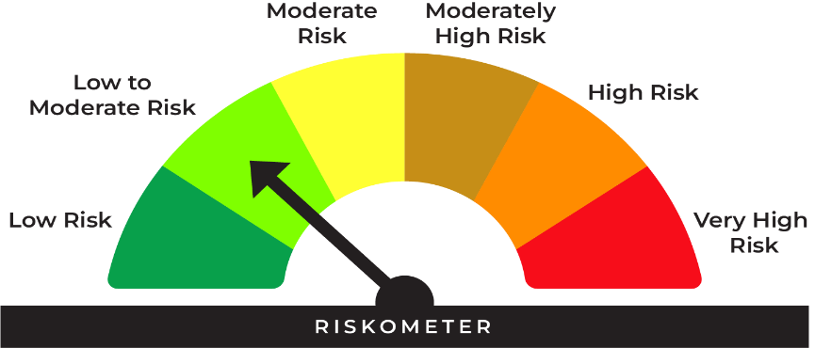
This product is suitable for investors* who are seeking:
• A stable, liquid alternative to traditional savings accounts
• Safety and liquidity for shortterm funds

*Investors should consult their financial advisers if in doubt whether the product is suitable for them.

 |  |  | Investors understand that their principal will be at low to moderate risk |  |  | Benchmark riskometer is at low to moderate risk
 |  |  |  |  |  | As per AMFI Tier I Benchmark i.e Nifty Liquid Index A-I

 | Potential Risk Class (Maximum risk the Scheme can take)
 | Credit Risk | Relatively Low | Moderate | Relatively High
 | Interest Rate Risk | (Class A) | (Class B) | (Class C)
 | Relatively Low (Class I) |  | B-I
 | Moderate (Class II)
 | Relatively High (Class III)
 | B-I - A Scheme with Relatively Low Interest Rate Risk and Relatively Moderate Credit Risk.

Type | An open ended Liquid scheme. A relatively low interest rate risk and moderate credit risk.

Benchmark | Nifty Liquid Index A-I

Investment Objective | The investment objective of the Scheme is to generate optimal returns consistent with lower to moderate levels of risk and high liquidity by investing in debt and money market instruments. The fund maintains an average maturity in the range of <91 days. There is no assurance that the investment objective of the Scheme will be achieved.

Asset Allocation |  | Minimum | Maximum
 | Investment in only Debt and money market securities with maturity of upto 91 calendar days | 0% | 100%

Base Expense Ratio (Incuding GST) | https://www.shriramamc.in/investor-total-expense-ratio

Load
Entry load: | Not Applicable.
Exit Load: | Investor exit upon Subscription Exit load as a % of redemption proceeds
 | Day 1 | 0.0070%
 | Day 2 | 0.0065%
 | Day 3 | 0.0060%
 | Day 4 | 0.0055%
 | Day 5 | 0.0050%
 | Day 6 | 0.0045%
 | Day 7 onwards | Nil

Minimum Investment | Lump sum Investment: Minimum Additional Purchase Amount/ Switch-in Amount: 1000/- and in multiples of Re. 1 /-thereafter

AUM As on 31-August-2026 | 496.82 Crores

NAV As on 31-August-2026 | Shriram Liquid Fund - Direct Growth | 1119.1990
 | Shriram Liquid Fund - Regular Growth | 1116.3818

Past Performance: |  |  |  |  | Returns of Shriram Liquid Fund - Regular Growth Option as on August 31, 2026
 |  |  |  |  | Date of inception: 14-Nov-2024
 |  |  |  |  |  |  |  |  | NAV as on August 31, 2026 Rs. 1116.3818
 |  |  | NAV (Rs.) | Scheme | Scheme Benchmark | Additional Benchmark |  | Value of Investment of Rs. 10000 (In Rs.)
 | Date | Period | Per Unit | Returns (%) | Returns (%) | Crisil 1 Yr T-Bill Index Returns (%) | Scheme | Scheme Benchmark | Additional Benchmark Crisil 1 Yr T-Bill Index
 | 2026-08-24 | Last 7 Days | 1115.0794 | 6.09 | 6.23 | 4.13 | 10,012 | 10,012 | 10,008
 | 2026-08-16 | Last 15 Days | 1113.7844 | 5.67 | 5.98 | 2.80 | 10,023 | 10,025 | 10,012
 | 2026-07-31 | Last 1 Month | 1110.7350 | 5.99 | 6.43 | 4.21 | 10,051 | 10,055 | 10,036
 | 2026-05-31 | Last 3 Months | 1098.5662 | 6.43 | 6.81 | 5.53 | 10,162 | 10,172 | 10,139
 | 2026-02-28 | Last 6 Months | 1080.8232 | 6.53 | 6.75 | 4.12 | 10,329 | 10,340 | 10,207
 | 2025-08-31 | Last 1 Year | 1051.7379 | 6.15 | 6.40 | 4.29 | 10,615 | 10,640 | 10,429
 | NA | Last 3 Year | NA | NA | NA | NA | NA | NA | NA
 | 2024-11-14 | Since Inception | 1000.0000 | 6.33 | 6.60 | 5.48 | 11,164 | 11,214 | 11,005

 |  |  |  |  | Returns of Shriram Liquid Fund - Direct Growth Option as on August 31, 2026
 |  |  |  |  | Date of inception: 14-Nov-2024
 |  |  |  |  |  |  |  |  | NAV as on August 31, 2026 Rs. 1119.1990
 |  |  | NAV (Rs.) | Scheme | Scheme Benchmark | Additional Benchmark |  | Value of Investment of Rs. 10000 (In Rs.)
 | Date | Period | Per Unit | Returns (%) | Returns (%) | Crisil 1 Yr T-Bill Index Returns (%) | Scheme | Scheme Benchmark | Additional Benchmark Crisil 1 Yr T-Bill Index
 | 2026-08-24 | Last 7 Days | 1117.8655 | 6.22 | 6.23 | 4.13 | 10,012 | 10,012 | 10,008
 | 2026-08-16 | Last 15 Days | 1116.5355 | 5.80 | 5.98 | 2.80 | 10,024 | 10,025 | 10,012
 | 2026-07-31 | Last 1 Month | 1113.4151 | 6.12 | 6.43 | 4.21 | 10,052 | 10,055 | 10,036
 | 2026-05-31 | Last 3 Months | 1100.9369 | 6.58 | 6.81 | 5.53 | 10,166 | 10,172 | 10,139
 | 2026-02-28 | Last 6 Months | 1082.7910 | 6.67 | 6.75 | 4.12 | 10,336 | 10,340 | 10,207
 | 2025-08-31 | Last 1 Year | 1052.9519 | 6.29 | 6.40 | 4.29 | 10,629 | 10,640 | 10,429
 | NA | Last 3 Year | NA | NA | NA | NA | NA | NA | NA
 | NA | Last 5 Year | NA | NA | NA | NA | NA | NA | NA
 | NA | Last 10 Year | NA | NA | NA | NA | NA | NA | NA
 | 2024-11-14 | Since Inception | 1000.0000 | 6.48 | 6.60 | 5.48 | 11,192 | 11,214 | 11,005
 |  |  |  |  |  |  |  |  | End_Return

 | Past performance may or may not be sustained in future. The performance of the scheme is benchmarked to the Nifty Liquid Index A-I. The returns are Compounded Annual Growth Returns (CAGR) for the past 1 year & since inception and simple annualised returns for less than 1 year. Different plans shall have a different expense structure. The performance details provided herein are of Regular Plan-Growth Option & Direct Plan-Growth Option. For computation of return since inception (%) the allotment NAV has been taken as Rs. 10.00. Point-to-point returns is calculated on a standard investment of Rs. 10,000. Load is not considered for computation of returns. In case, the start/end date of the concerned period is a Non-Business Date (NBD), the NAV of the previous date is considered for computation of returns. The NAV per unit shown in the table is as on the start date of the said period. The scheme is being currently managed by Mr. Amit Modani with effect from November 01, 2025 and Mr. Sudip More with effect from November 04, 2024

Fund Manager | The scheme is being currently managed by Mr. Amit Modani with effect from November 01, 2025 and Mr. Sudip More with effect from November 04, 2024

Portfolio | Name of Instrument | Industry/Rating | % to Net Assets | % Yield

 | Money Market Instruments

 | Certificate of Deposit
* | AXIS BANK LTD CD RED 02-09-2026 ** # | CRISIL A1+ | 5.03 | 6.00
* | CANARA BANK CD RED 15-09-2026 ** # | CRISIL A1+ | 5.02 | 6.04
* | HDFC BANK CD RED 06-11-2026 ** # | CARE A1+ | 4.97 | 6.44
* | BANK OF BARODA CD RED 11-11-26 ** # | ICRA A1+ | 4.97 | 6.38
 | AXIS BANK LTD CD RED 26-11-2026 ** # | CRISIL A1+ | 4.96 | 6.40
 | UNION BANK OF INDIA CD R 04-09-26 ** # | ICRA A1+ | 4.63 | 5.95
 | KOTAK MAHINDRA BANK CD R 24-09-26 ** # | CRISIL A1+ | 4.41 | 6.08
 | Sub Total |  | 33.99

 | Commercial Paper
* | LIC HSG FIN CP RED 17-09-2026 ** | CRISIL A1+ | 5.02 | 6.27
* | KOTAK SECURITIES LTD CP RED 24-09-2026 ** | CRISIL A1+ | 5.01 | 6.70
* | BAJAJ FINANCE LTD CP 18-11-26 ** | CRISIL A1+ | 4.96 | 6.99
 | LIC HSG FIN CP RED 26-11-2026 ** | CRISIL A1+ | 4.96 | 6.45
 | NABARD CP RED 27-11-2026 ** | CRISIL A1+ | 4.96 | 6.43
 | EXIM BANK CP RED 03-09-2026 | CRISIL A1+ | 4.63 | 6.10
 | NABARD CP RED 11-09-2026 ** | CRISIL A1+ | 3.01 | 6.19
 | SIDBI CP RED 21-09-2026 ** | CRISIL A1+ | 3.01 | 6.25
 | RELIANCE RETAIL VENTURES CP 23-09-2026 ** | CRISIL A1+ | 3.01 | 6.22
 | KOTAK SECURITIES LTD CP 17-09-26 ** | CRISIL A1+ | 2.01 | 6.70
 | HDFC SECURITIES LTD. CP RED 21-09-2026 ** | CRISIL A1+ | 2.01 | 6.73
 | Sub Total |  | 42.59

 | Treasury Bill
* | 91 DAYS TBILL RED 10-09-2026 | SOVEREIGN | 6.03 | 5.18
* | 91 DAYS TBILL RED 12-11-2026 | SOVEREIGN | 4.98 | 5.25
* | 91 DAYS TBILL RED 27-11-2026 | SOVEREIGN | 4.97 | 5.27
 | Sub Total |  | 15.98

 | TOTAL |  | 92.56

 | Mutual Fund Units
 | SBI CDMDF--A2 |  | 0.09

 | TOTAL |  | 0.09

 | Treps
 | TREPS_RED_01.09.2026 |  | 0.07 | 5.05
 | Sub Total |  | 0.07

 | TOTAL |  | 0.07

 | Reverse Repo
 | REPO ISSUE DATE 31.08.2026 5.12% |  | 1.27 | 5.12
 | REPO ISSUE DATE 31.08.2026 5.1% |  | 1.01 | 5.10
 | Sub Total |  | 2.28

 | TOTAL |  | 2.28

 | Net Receivables / (Payables) |  | 5.00

 | GRAND TOTAL |  | 100.00
* | Top Ten Holdings

 | Portfolio Information
 | Residual Maturity (Average Maturity) | 39.2 days
 | Modified duration | 36.9 days
 | Macaulay Duration | 39.2 days
 | Annualised Portfolio YTM : | 6.07%

 | # Unlisted Security
 | ** Non Traded Security
MUTUAL FUND INVESTMENTS ARE SUBJECT TO MARKET RISKS, READ ALL SCHEME RELATED DOCUMENTS CAREFULLY

